Resumen
Testeo

Casos | Numero de request | Avg gen time (ms) | Desviation (ms) | Min gen time (ms) | Max gen time(ms) | Errors | Throughput Generado Avg req/sec | Throughput Pedido (req/sec)
Simple Concurrent | 3000 | 86.732333333 | 2.2283073723E+16 | 331.0 | 2835.0 | 0 | 21.3/sec | -
Gaussian Concurrent | 3000 | 663.07933333 | 165.3583272 | 103 | 1954 | 0 | 20.2/sec | -
Throughtput 5 | 3000 | 231.591 | 134.69651215 | 101 | 3187 | 0 | 5.0/sec | 5.0 /sec | 0
Throughtput 8 | 3000 | 246.07933333 | 99.390286445 | 101 | 739 | 0 | 8.0/sec | 8.0 / sec | 0
Throughtput 10 | 3000 | 229.13166667 | 86.109718754 | 99 | 642 | 0 | 10.0/sec | 10.0 /sec | 0
Throughtput 15 | 3000 | 301.95266667 | 123.42327614 | 98 | 1343 | 0 | 14.7/sec | 15.0 /sec | 0.1
Throughtput 20 | 3000 | 583.17333333 | 213.88823551 | 128 | 3636 | 0 | 19.2/sec | 20.0 /sec | 0.2
Throughtput 25 | 3000 | 950.97333333 | 235.51749536 | 115 | 2326 | 0 | 19.8/sec | 25.0 /sec | 0.2
Throughtput 30 | 0 | 0 | 0 | 0 | 0 | 0 | 0 | 30.0 /sec | 0.5
Throughtput 35 | 0 | 0 | 0 | 0 | 0 | 0 | 0 | 35.0 /sec | 1.4
Throughtput 40 | 0 | 0 | 0 | 0 | 0 | 0 | 0 | 40.0 /sec | 2.7
Throughtput 45 | 0 | 0 | 0 | 0 | 0 | 0 | 0 | 45.0 /sec | 7.3

Throughtput 5
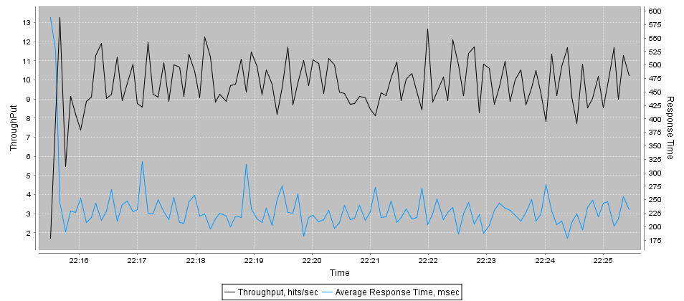
Url | Samples | Average | Desviation | Min | Max | Errors | Throughput req/sec | KB/Sec
ip-0AD076EF | 3000 | 232 | 135 | 101 | 3187 | 0 | 5.0/sec | 288.33

Throughtput 8
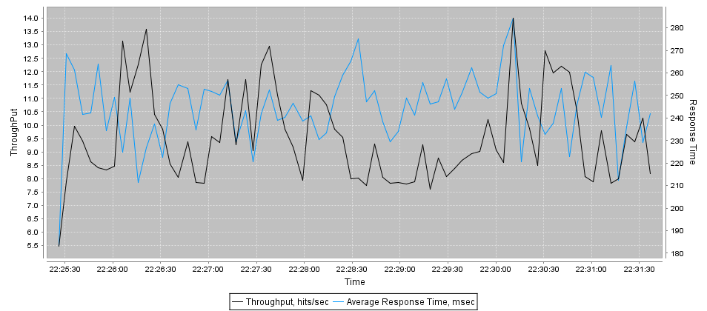
Url | Samples | Average | Desviation | Min | Max | Errors | Throughput req/sec | KB/Sec
ip-0AD076EF | 3000 | 246 | 99 | 101 | 739 | 0 | 8.0/sec | 459.15

Throughtput 10
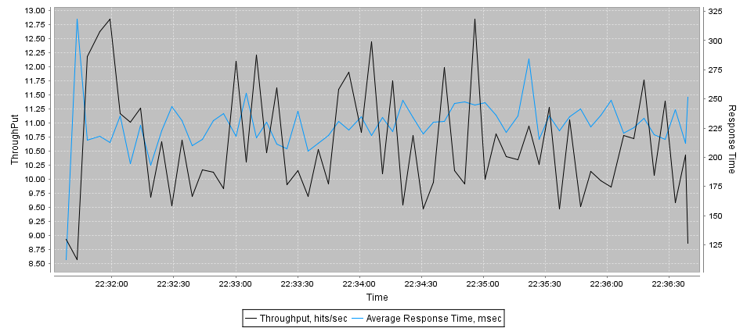
Url | Samples | Average | Desviation | Min | Max | Errors | Throughput req/sec | KB/Sec
ip-0AD076EF | 3000 | 229 | 86 | 99 | 642 | 0 | 10.0/sec | 573.91

Throughtput 15
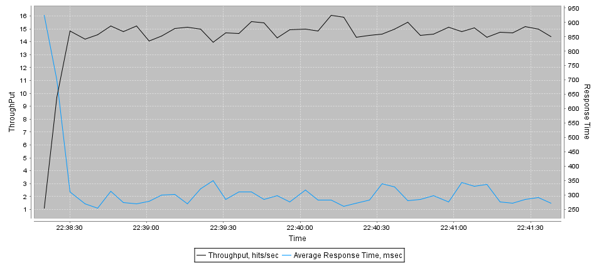
Url | Samples | Average | Desviation | Min | Max | Errors | Throughput req/sec | KB/Sec
ip-0AD076EF | 3000 | 302 | 123 | 98 | 1343 | 0 | 14.7/sec | 863.83

Throughtput 20
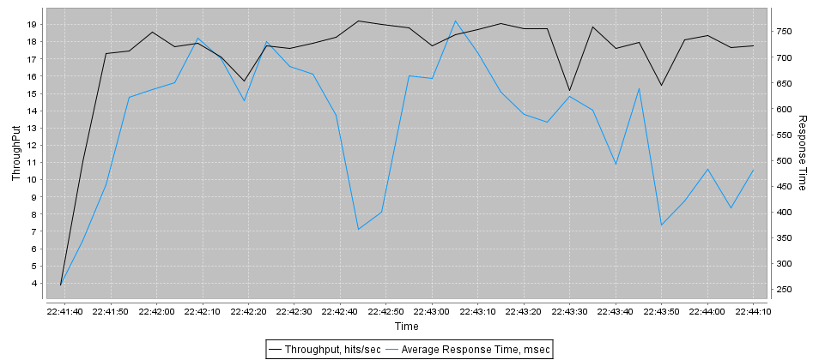
Url | Samples | Average | Desviation | Min | Max | Errors | Throughput req/sec | KB/Sec
ip-0AD076EF | 3000 | 583 | 214 | 128 | 3636 | 0 | 19.2/sec | 1127.52

Throughtput 25
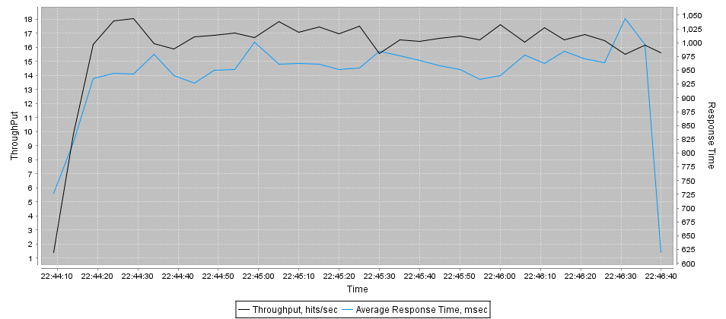
Url | Samples | Average | Desviation | Min | Max | Errors | Throughput req/sec | KB/Sec
ip-0AD076EF | 3000 | 951 | 236 | 115 | 2326 | 0 | 19.8/sec | 1160.59

